8.4
a) |  | Estimated Profit/Day
Prod | Actual Profit/Day | (P = $100R - $5R^2) | Error
0 | $0 | $0 | $0
1 | $95 | $95 | $0
2 | $184 | $180 | $4
3 | $255 | $255 | $0
4 | $320 | $320 | $0
 |  | R Squared | 0.9945610 | =RSQ(C3:C7,A3:A7)

b) |  | Estimated Profit/Day
Prod | Actual Profit/Day | (P = $104R - $6R^2) | Error
0 | $0 | $0 | $0
1 | $95 | $98 | $3
2 | $184 | $184 | $0
3 | $255 | $258 | $3
4 | $320 | $320 | $0
 |  | R Squared | 0.9921865 | =RSQ(C12:C16,A12:A16)

c) The first quadratic function $100R – 5R^2 provides a slightly better fit to all the data.

d) y = -5.5714x2 + 102.29x - 0.3429 (R² = 0.9999)

8.9
Let
R₁ = the production rate of product 1 per hour R₂ = the production rate of product 2 per hour
Maximize Profit = $200R₁ – $100R₁² + $300R₂ – $100R₂²
subject to R₁ + R₂ ≤ 2 (maximum total production rate)
and R₁ ≥ 0, R₂ ≥ 0.

Unit Profit = a(Rate) + b(Rate)2, where
 | Product 1 | Product 2
a | $200 | $300
b | -$100 | -$100

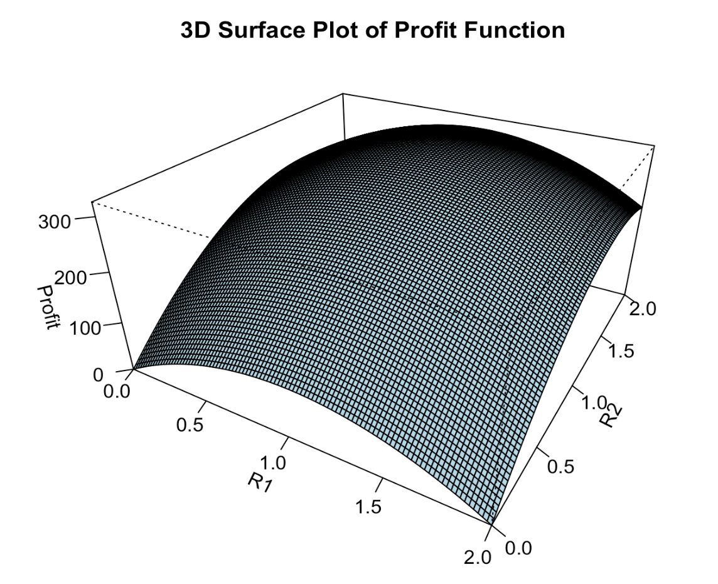
 | Product 1 | Product 2 | Total | Total Profit
Production Rate | 0.75 | 1.25 | 2 | $313 | =(B13*B17+B14*B17^2)+(C13*C17+C14*C17^2)
 |  |  | <=
 |  |  | 2

c. QP Convex
For minimization problems, a convex objective function would resemble a "bowl," where the function curves upwards. The global minimum would be at the bottom of the bowl.
For maximization problems, a convex objective function would resemble an "upside-down bowl," where the function curves downwards. The global maximum would be at the peak of the bowl.
This can be visualized in R.

8.19a
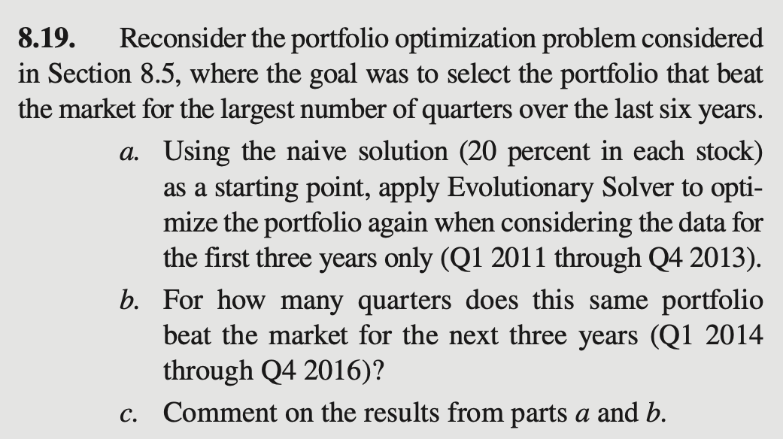
Beating the Market (Evolutionary Solver)
 |  |  |  |  |  |  |  |  | Beat | Market
 | Quarter | Year | DIS | BA | GE | PG | MCD | Return | Market? | (NYSE)
 | Q4 | 2016 | 13.10% | 19.08% | 7.47% | -5.59% | 6.34% | 8.11% | Yes | 3.13%
 | Q3 | 2016 | -4.38% | 2.28% | -5.17% | 1.32% | -3.39% | -1.92% | No | 2.21%
 | Q2 | 2016 | -1.50% | 3.14% | -0.23% | 9.35% | -3.55% | 1.39% | No | 2.77%
 | Q1 | 2016 | -5.49% | -11.39% | 2.87% | 4.55% | 7.19% | -0.51% | No | 0.63%
 | Q4 | 2015 | 3.47% | 11.10% | 24.46% | 11.37% | 20.84% | 13.96% | Yes | 3.51%
 | Q3 | 2015 | -9.94% | -4.99% | -4.25% | -7.30% | 4.55% | -4.50% | Yes | -9.31%
 | Q2 | 2015 | 8.82% | -6.98% | 8.03% | -3.75% | -1.58% | 1.06% | Yes | -0.86%
 | Q1 | 2015 | 11.37% | 16.18% | -0.94% | -9.41% | 4.90% | 4.52% | Yes | 0.55%
 | Q4 | 2014 | 7.14% | 2.63% | -0.42% | 9.61% | -0.30% | 3.85% | Yes | 1.27%
a) Answers may vary since Evolutionary Solver is based on randomness. The solution here beat the NYSE in around 10 of the 12 quarters for 2011-2013.
b) This solution beats the market in almost half of the quarters for the next three years (half of the 12 quarters).
c) The optimized solution for years 2011 through 2013 is not necessarily a great solution for the years 2014 through 2016. (Past performance is no guarantee of future earnings.)
 | Q3 | 2014 | 3.83% | 0.72% | -1.67% | 7.41% | -5.07% | 1.13% | Yes | -2.52%
 | Q2 | 2014 | 7.08% | 1.96% | 2.30% | -1.71% | 3.59% | 2.74% | No | 4.29%
 | Q1 | 2014 | 4.81% | -7.54% | -6.83% | -0.25% | 1.89% | -1.37% | No | 1.23%
 | Q4 | 2013 | 19.93% | 16.59% | 18.33% | 8.53% | 1.70% | 13.09% | Yes | 8.10%
 | Q3 | 2013 | 2.12% | 15.23% | 3.80% | -1.08% | -2.04% | 3.50% | No | 5.58%
 | Q2 | 2013 | 11.18% | 19.93% | 1.08% | 0.65% | 0.09% | 6.64% | Yes | 0.06%
 | Q1 | 2013 | 14.07% | 14.66% | 11.06% | 14.42% | 13.92% | 13.65% | Yes | 7.86%
 | Q4 | 2012 | -3.29% | 8.94% | -6.74% | -1.31% | -2.99% | -1.15% | No | 2.33%
 | Q3 | 2012 | 7.78% | -5.76% | 9.81% | 14.22% | 4.46% | 6.19% | Yes | 5.76%
 | Q2 | 2012 | 10.80% | 0.49% | 5.01% | -8.10% | -9.05% | 0.01% | Yes | -4.94%
 | Q1 | 2012 | 16.74% | 1.99% | 13.05% | 1.56% | -1.53% | 6.55% | No | 9.76%
 | Q4 | 2011 | 26.43% | 21.99% | 18.83% | 6.45% | 15.11% | 17.90% | Yes | 10.09%
 | Q3 | 2011 | -22.76% | -17.60% | -18.56% | 0.19% | 4.84% | -10.91% | Yes | -18.36%
 | Q2 | 2011 | -9.39% | 0.54% | -5.13% | 4.07% | 11.64% | 0.19% | Yes | -1.02%
 | Q1 | 2011 | 14.87% | 13.94% | 10.39% | -3.55% | -0.06% | 7.20% | Yes | 5.54%

 |  |  | 0% | 0% | 0% | 0% | 0%
 |  |  | <= | <= | <= | <= | <= | Sum
 |  | Portfolio | 21.9% | 19.2% | 19.1% | 19.9% | 19.8% | 100% | = | 100%
 |  |  | <= | <= | <= | <= | <=
 |  |  | 100% | 100% | 100% | 100% | 100% |  | Number of Quarters
 |  |  |  |  |  |  |  |  | Beating the Market
 |  |  |  |  |  |  |  |  | (2011-2013)
 |  |  |  |  |  |  |  |  | 9

